Receieved Packet Stats, 11:20-1
Station Name | 63mW | 158mW | 500mW | 800mW | 2000mW | Low Power Count (63 & 158mW) | Total | Notes | Photos
DJ2DS | 0 | 82 | 1 | 0 | 41 | 82 | 124 | highest overall packets |  | Columns B-F indicate the approximiate number of complete packets received by a given station during a five day period, 11/20-11/25. Estimates slightly lower than actual in order to avoid duplicate sampling of the TinyGS database
AtiStation | 0 | 57 | 0 | 0 | 37 | 57 | 94
DJ6OI_430MHZ | 1 | 55 | 0 | 0 | 0 | 56 | 56 |  | PLIW
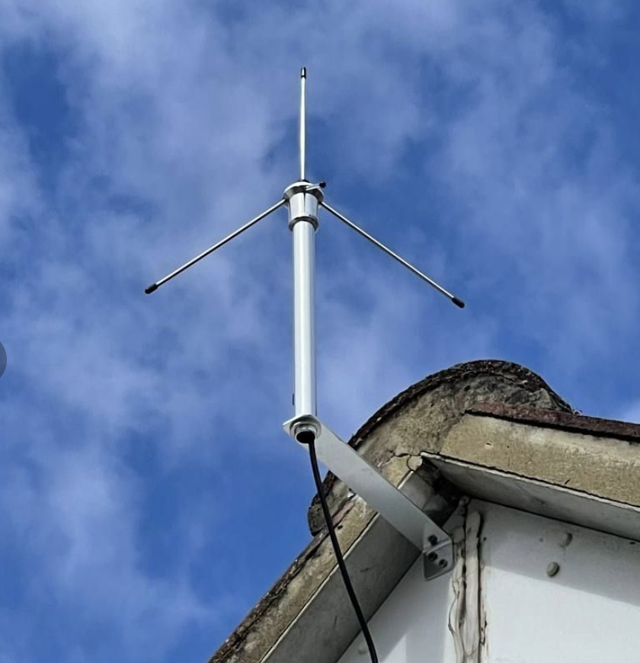
 | 63mW | 158mW | 500mW | 800mW | 2000mW
DJ2DS | 0 | 82 | 1 | 0 | 41
AtiStation | 0 | 57 | 0 | 0 | 37
DJ6OI_430MHZ | 1 | 55 | 0 | 0 | 0
ve3gtc_TinyGS | 0 | 53 | 7 | 3 | 36
ES8TJM_GS | 0 | 48 | 1 | 0 | 43
PLIW | 17 | 27 | 0 | 0 | 27
DK2DB_2 | 0 | 42 | 0 | 0 | 17
IV3IHD_E32 | 0 | 41 | 0 | 0 | 16
GS_Immenreuth | 0 | 39 | 0 | 0 | 19
SP7THR | 0 | 39 | 0 | 0 | 18
F8CND_TBeam_430M_1 | 0 | 39 | 0 | 0 | 17
KA8YES | 0 | 37 | 0 | 0 | 8
ON5CMB_433 | 0 | 36 | 0 | 0 | 28
KG4EUF_433_T_1 | 0 | 36 | 2 | 0 | 8
DE_72116_433 | 0 | 35 | 0 | 0 | 11
W6IR | 31 | 4 | 0 | 0 | 7
R2SCN_GS | 0 | 35 | 1 | 0 | 6
N1GMJ | 0 | 33 | 6 | 2 | 26
NWO_GS1 | 0 | 33 | 2 | 0 | 18
Opendata4all | 1 | 32 | 0 | 0 | 14
DL2TW | 0 | 33 | 0 | 0 | 13
SDR4FUN_TGS | 25 | 8 | 0 | 0 | 2
N3TWI_433 | 5 | 27 | 0 | 0 | 2
G8JFX | 8 | 23 | 1 | 0 | 29
N2ACQ_1 | 0 | 31 | 5 | 0 | 17
DO6GZ_GroundStation_433 | 0 | 30 | 0 | 0 | 18
AT90TinyGS0 | 0 | 30 | 1 | 0 | 6
WesternLoudounGS | 1 | 28 | 3 | 0 | 11
TinyGS_DECLECTIX_002 | 0 | 29 | 3 | 0 | 9
GM8ARVEdinburgh | 29 | 0 | 0 | 0 | 2
Burguillos_GS2 | 6 | 22 | 0 | 0 | 26
SPORADIC_RC3W | 0 | 28 | 3 | 0 | 12
JL_ESL_01 | 2 | 25 | 5 | 5 | 27
Rockenhausen_DK5WT | 0 | 27 | 0 | 0 | 20
W9ETC_GS1 | 0 | 27 | 3 | 0 | 8
NSO_Kloda | 0 | 27 | 0 | 0 | 10
JAB_433 | 22 | 5 | 0 | 0 | 4
PI6SHB | 0 | 26 | 0 | 0 | 28
DH6SC_11 | 10 | 16 | 1 | 0 | 19
HA1GBR | 0 | 26 | 0 | 0 | 12
G5BBL_LoRa | 0 | 25 | 0 | 0 | 15
IU3POA_2 | 0 | 25 | 0 | 0 | 14
TinyGS_OE3RQF_433MHz | 0 | 25 | 0 | 0 | 7
TransRights_GS | 18 | 7 | 0 | 0 | 1
wrkpTinyGS | 5 | 19 | 0 | 0 | 38
Not_Goonhilly | 2 | 22 | 0 | 0 | 26
VA2ZAC | 0 | 24 | 4 | 0 | 19
F62766 | 0 | 24 | 1 | 0 | 19
G8SVU_TINYGS | 0 | 24 | 1 | 0 | 17
DM7RM | 3 | 21 | 0 | 0 | 16
...
ve3gtc_TinyGS | 0 | 53 | 7 | 3 | 36 | 53 | 99
ES8TJM_GS | 0 | 48 | 1 | 0 | 43 | 48 | 92
PLIW | 17 | 27 | 0 | 0 | 27 | 44 | 71 | -> a potential winner?
DK2DB_2 | 0 | 42 | 0 | 0 | 17 | 42 | 59
IV3IHD_E32 | 0 | 41 | 0 | 0 | 16 | 41 | 57
GS_Immenreuth | 0 | 39 | 0 | 0 | 19 | 39 | 58
SP7THR | 0 | 39 | 0 | 0 | 18 | 39 | 57
F8CND_TBeam_430M_1 | 0 | 39 | 0 | 0 | 17 | 39 | 56
KA8YES | 0 | 37 | 0 | 0 | 8 | 37 | 45
ON5CMB_433 | 0 | 36 | 0 | 0 | 28 | 36 | 64
KG4EUF_433_T_1 | 0 | 36 | 2 | 0 | 8 | 36 | 46
DE_72116_433 | 0 | 35 | 0 | 0 | 11 | 35 | 46
W6IR | 31 | 4 | 0 | 0 | 7 | 35 | 42 | also no info
R2SCN_GS | 0 | 35 | 1 | 0 | 6 | 35 | 42
N1GMJ | 0 | 33 | 6 | 2 | 26 | 33 | 67
NWO_GS1 | 0 | 33 | 2 | 0 | 18 | 33 | 53
Opendata4all | 1 | 32 | 0 | 0 | 14 | 33 | 47
DL2TW | 0 | 33 | 0 | 0 | 13 | 33 | 46
SDR4FUN_TGS | 25 | 8 | 0 | 0 | 2 | 33 | 35 | 5/8λ Ground plane, no LNA
N3TWI_433 | 5 | 27 | 0 | 0 | 2 | 32 | 34
G8JFX | 8 | 23 | 1 | 0 | 29 | 31 | 61
N2ACQ_1 | 0 | 31 | 5 | 0 | 17 | 31 | 53
DO6GZ_GroundStation_433 | 0 | 30 | 0 | 0 | 18 | 30 | 48
AT90TinyGS0 | 0 | 30 | 1 | 0 | 6 | 30 | 37
WesternLoudounGS | 1 | 28 | 3 | 0 | 11 | 29 | 43
TinyGS_DECLECTIX_002 | 0 | 29 | 3 | 0 | 9 | 29 | 41
GM8ARVEdinburgh | 29 | 0 | 0 | 0 | 2 | 29 | 31 | old UHF TV antenna
Burguillos_GS2 | 6 | 22 | 0 | 0 | 26 | 28 | 54
SPORADIC_RC3W | 0 | 28 | 3 | 0 | 12 | 28 | 43
JL_ESL_01 | 2 | 25 | 5 | 5 | 27 | 27 | 64
Rockenhausen_DK5WT | 0 | 27 | 0 | 0 | 20 | 27 | 47
W9ETC_GS1 | 0 | 27 | 3 | 0 | 8 | 27 | 38
NSO_Kloda | 0 | 27 | 0 | 0 | 10 | 27 | 37
JAB_433 | 22 | 5 | 0 | 0 | 4 | 27 | 31 | Heltec WiFi LoRa 32 V2 (433MHz version)
PI6SHB | 0 | 26 | 0 | 0 | 28 | 26 | 54
DH6SC_11 | 10 | 16 | 1 | 0 | 19 | 26 | 46 | no info :(
HA1GBR | 0 | 26 | 0 | 0 | 12 | 26 | 38
G5BBL_LoRa | 0 | 25 | 0 | 0 | 15 | 25 | 40
IU3POA_2 | 0 | 25 | 0 | 0 | 14 | 25 | 39
TinyGS_OE3RQF_433MHz | 0 | 25 | 0 | 0 | 7 | 25 | 32
TransRights_GS | 18 | 7 | 0 | 0 | 1 | 25 | 26 | made of "random wire"
wrkpTinyGS | 5 | 19 | 0 | 0 | 38 | 24 | 62
Not_Goonhilly | 2 | 22 | 0 | 0 | 26 | 24 | 50
VA2ZAC | 0 | 24 | 4 | 0 | 19 | 24 | 47
F62766 | 0 | 24 | 1 | 0 | 19 | 24 | 44
G8SVU_TINYGS | 0 | 24 | 1 | 0 | 17 | 24 | 42
DM7RM | 3 | 21 | 0 | 0 | 16 | 24 | 40
DG2SAX | 0 | 24 | 0 | 0 | 10 | 24 | 34
JD6RO | 0 | 23 | 0 | 0 | 27 | 23 | 50
G0TFDGS | 0 | 23 | 0 | 0 | 24 | 23 | 47
KF1D_433_1 | 0 | 23 | 5 | 0 | 13 | 23 | 41
SM5YZB_dev | 0 | 23 | 0 | 0 | 17 | 23 | 40
PD7HW_01 | 0 | 23 | 0 | 0 | 14 | 23 | 37
DG1EAD | 4 | 19 | 0 | 0 | 13 | 23 | 36
m1evn_tgs | 1 | 22 | 0 | 0 | 13 | 23 | 36
DL1VED_TINYGS | 0 | 23 | 0 | 0 | 13 | 23 | 36
M0WVE_433a_dipole | 0 | 23 | 0 | 0 | 11 | 23 | 34
GM4IUS_433 | 15 | 8 | 0 | 0 | 6 | 23 | 29
BSL_TinyGS | 18 | 5 | 0 | 0 | 4 | 23 | 27 | quarter wv. ground plane
LX2MT_1 | 0 | 22 | 0 | 0 | 24 | 22 | 46
GM4EAU_433_b | 0 | 22 | 0 | 0 | 21 | 22 | 43
DG4SN | 0 | 22 | 0 | 0 | 19 | 22 | 41
DD8PL | 3 | 19 | 0 | 0 | 16 | 22 | 38
TinyGSGuy_433 | 0 | 22 | 2 | 0 | 9 | 22 | 33
IW2CLJ_TTGO_430MHz | 0 | 22 | 0 | 0 | 11 | 22 | 33
Wheezs | 11 | 11 | 0 | 0 | 2 | 22 | 24
SPORADIC_RA3WRK | 0 | 21 | 2 | 0 | 23 | 21 | 46
DO5MO | 0 | 21 | 0 | 0 | 25 | 21 | 46
Ghost402_433 | 0 | 21 | 2 | 0 | 21 | 21 | 44
AlbertJenks | 0 | 21 | 0 | 0 | 23 | 21 | 44
Avaeya_Villa | 0 | 21 | 1 | 0 | 19 | 21 | 41
WISeKey | 0 | 21 | 0 | 0 | 16 | 21 | 37
WB5SVE_433 | 0 | 21 | 0 | 0 | 15 | 21 | 36
DL8HBC_1 | 0 | 21 | 0 | 0 | 13 | 21 | 34
Barrili2 | 1 | 20 | 0 | 0 | 12 | 21 | 33
M0GLU_433_ant_test | 4 | 17 | 0 | 0 | 11 | 21 | 32
M0NRD | 0 | 21 | 0 | 0 | 10 | 21 | 31
KI2D | 13 | 8 | 1 | 0 | 8 | 21 | 30
SM5RBJ_4 | 0 | 20 | 0 | 0 | 32 | 20 | 52
MacChat433 | 5 | 15 | 4 | 0 | 17 | 20 | 41
VE2KBS | 0 | 20 | 4 | 0 | 15 | 20 | 39
IW3IPS | 4 | 16 | 0 | 0 | 10 | 20 | 30
OK1FWG | 1 | 19 | 0 | 0 | 6 | 20 | 26
KD5WEK | 13 | 7 | 0 | 0 | 4 | 20 | 24
Slovak_GS1 | 4 | 16 | 0 | 0 | 4 | 20 | 24
mmad | 0 | 19 | 0 | 0 | 12 | 19 | 31
SlugGS | 0 | 19 | 0 | 0 | 10 | 19 | 29
DG1GMY | 0 | 19 | 0 | 0 | 8 | 19 | 27
3StepLex | 6 | 13 | 1 | 0 | 6 | 19 | 26
Ebski_TinyGS | 0 | 19 | 0 | 0 | 6 | 19 | 25
DC3YC_TinyGS | 0 | 19 | 0 | 0 | 6 | 19 | 25
DreamCatcher401 | 7 | 12 | 0 | 0 | 3 | 19 | 22
Tomar | 7 | 12 | 0 | 0 | 1 | 19 | 20
TingGS_dsplice1 | 3 | 15 | 4 | 0 | 21 | 18 | 43
WeareGS | 7 | 11 | 4 | 0 | 14 | 18 | 36
SP2JP_12 | 9 | 9 | 0 | 0 | 17 | 18 | 35
TGS_F4ECA | 0 | 18 | 0 | 0 | 14 | 18 | 32
Burguillos_GS1 | 6 | 12 | 0 | 0 | 10 | 18 | 28
SP3MCY | 0 | 18 | 0 | 0 | 7 | 18 | 25
LX2MT | 10 | 7 | 0 | 0 | 24 | 17 | 41
HA7BN_Vac | 0 | 17 | 0 | 0 | 18 | 17 | 35
CWVTinyGS2 | 10 | 7 | 2 | 0 | 13 | 17 | 32
DB7FS_3 | 1 | 16 | 0 | 0 | 15 | 17 | 32
ON1RC_SAT | 0 | 17 | 0 | 0 | 13 | 17 | 30
Paulbel | 0 | 17 | 0 | 0 | 12 | 17 | 29
G7RIK_433 | 0 | 17 | 0 | 0 | 11 | 17 | 28
DO6TA_GS_HT | 0 | 17 | 0 | 0 | 11 | 17 | 28
ON7XX | 0 | 17 | 0 | 0 | 11 | 17 | 28
VA2EC | 0 | 17 | 2 | 0 | 7 | 17 | 26
G0PYB | 0 | 17 | 0 | 0 | 9 | 17 | 26
Jimmys_GS2 | 0 | 17 | 0 | 0 | 8 | 17 | 25
OE6EUR13 | 0 | 17 | 0 | 0 | 7 | 17 | 24
onl6739 | 0 | 17 | 0 | 0 | 6 | 17 | 23
ON7NR | 0 | 17 | 0 | 0 | 0 | 17 | 17
KB4YTM | 0 | 16 | 2 | 0 | 13 | 16 | 31
KG0D | 4 | 12 | 3 | 0 | 11 | 16 | 30
MW6EEI_TBEAM | 0 | 16 | 0 | 0 | 13 | 16 | 29
m0wuk2 | 1 | 15 | 0 | 0 | 12 | 16 | 28
HatellGS | 1 | 15 | 0 | 0 | 12 | 16 | 28
HB9CRE_2 | 0 | 16 | 0 | 0 | 9 | 16 | 25
DJ2AG_433_GS1 | 0 | 16 | 0 | 0 | 8 | 16 | 24
IW2CLJ_Custom_433MHz | 0 | 16 | 0 | 0 | 3 | 16 | 19
USAL_433 | 6 | 10 | 0 | 0 | 2 | 16 | 18
OH6MQM | 0 | 16 | 0 | 0 | 2 | 16 | 18
DL2LUX | 0 | 16 | 0 | 0 | 2 | 16 | 18
NJ6E_70cm | 2 | 13 | 4 | 0 | 20 | 15 | 39
F21467 | 2 | 13 | 1 | 0 | 20 | 15 | 36
RTFD090H | 2 | 13 | 2 | 0 | 15 | 15 | 32
LU5HE_Q | 0 | 15 | 1 | 0 | 14 | 15 | 30
M0WVE_433b_moxon | 0 | 15 | 0 | 0 | 14 | 15 | 29
AB9XC | 0 | 15 | 3 | 0 | 11 | 15 | 29
R8ACZ | 15 | 0 | 4 | 0 | 7 | 15 | 26
EI5IN | 0 | 15 | 1 | 0 | 9 | 15 | 25
GM7GAX | 3 | 12 | 0 | 0 | 7 | 15 | 22
GSSW | 3 | 12 | 0 | 0 | 6 | 15 | 21
G1VPP_433MHz | 3 | 12 | 0 | 0 | 4 | 15 | 19
tbeam433 | 2 | 13 | 0 | 0 | 4 | 15 | 19
GS_EB2FIZ | 1 | 14 | 0 | 0 | 4 | 15 | 19
LZ_TX_SAT_REC | 0 | 15 | 0 | 0 | 3 | 15 | 18
I2WEM_2 | 7 | 8 | 0 | 0 | 1 | 15 | 16
Yarrabee | 0 | 14 | 5 | 0 | 20 | 14 | 39
LowellMa | 0 | 14 | 4 | 0 | 10 | 14 | 28
TXC_CS7AWJ | 0 | 14 | 0 | 0 | 13 | 14 | 27
KG0D2_Eggbeater | 0 | 14 | 2 | 0 | 9 | 14 | 25
TA1SLA | 8 | 6 | 0 | 0 | 10 | 14 | 24
TQM_433 | 3 | 11 | 0 | 0 | 10 | 14 | 24
greenmtn | 0 | 14 | 2 | 0 | 8 | 14 | 24
DK0ANT | 1 | 13 | 0 | 0 | 8 | 14 | 22
OctoateTinyGS | 0 | 14 | 0 | 0 | 7 | 14 | 21
HB9HEY | 0 | 14 | 0 | 0 | 7 | 14 | 21
SP6KZ | 9 | 5 | 0 | 0 | 6 | 14 | 20
EA5IHI | 6 | 8 | 0 | 0 | 5 | 14 | 19
WA4EFH | 0 | 14 | 0 | 0 | 4 | 14 | 18
DF1XC_TinyGS | 0 | 14 | 0 | 0 | 3 | 14 | 17
IK1ICF | 3 | 11 | 0 | 0 | 2 | 14 | 16
Hemingford_01 | 0 | 14 | 0 | 0 | 2 | 14 | 16
MANC2 | 0 | 14 | 0 | 0 | 1 | 14 | 15
Kalvin_Leon | 0 | 13 | 0 | 0 | 25 | 13 | 38
VK1BF | 0 | 13 | 2 | 0 | 16 | 13 | 31
Vyizis | 0 | 13 | 0 | 0 | 17 | 13 | 30
Kingston_WA_433 | 0 | 13 | 2 | 0 | 14 | 13 | 29
makemake | 0 | 13 | 0 | 0 | 15 | 13 | 28
Mikrowelle_TinyGS | 1 | 12 | 0 | 0 | 14 | 13 | 27
EA4AXH | 0 | 13 | 0 | 0 | 13 | 13 | 26
HA1ADM | 0 | 13 | 0 | 0 | 11 | 13 | 24
ZeuthenTinyGS | 0 | 13 | 0 | 0 | 11 | 13 | 24
N3CX_TinyGS | 0 | 13 | 2 | 0 | 8 | 13 | 23
nl13974 | 0 | 13 | 0 | 0 | 8 | 13 | 21
TGS_Egmond | 0 | 13 | 0 | 0 | 7 | 13 | 20
SNFinspired2023 | 0 | 13 | 0 | 0 | 7 | 13 | 20
13TH769_433 | 0 | 13 | 0 | 0 | 5 | 13 | 18
HOTTI_GS | 2 | 11 | 0 | 0 | 1 | 13 | 14
FanThomasWinti | 0 | 13 | 0 | 0 | 0 | 13 | 13
EA5CYA | 0 | 12 | 0 | 0 | 21 | 12 | 33
...

